Sheet1
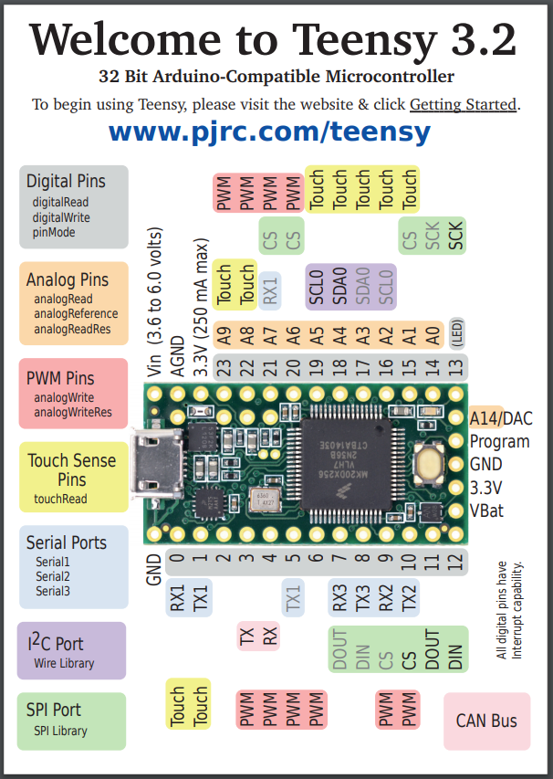
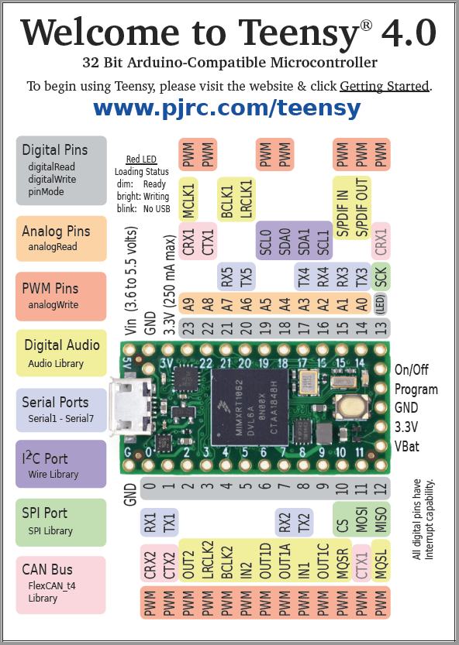
Pin Number | Net Label | Description
0 | RX1
1 | TX1
2 | CS PS1 | Pressure Sensor Chip Select (6 kPa)
3 | CS PS2 | Pressure Sensor Chip Select (6 kPa)
4 | CS PS3 | Pressure Sensor Chip Select (6 kPa)
5 | CS PS4 | Pressure Sensor Chip Select (6 kPa)
6 | CS PS5 | Pressure Sensor Chip Select (6 kPa)
7 | CS PS6 | Pressure Sensor Chip Select (6 kPa)
8 | CS PS7 | Pressure Sensor Chip Select (1 bar)
9 | CS M1 | Motor Driver Chip Select
10 | CS M2 | Motor Driver Chip Select
11 | MOSI | Master Out Slave In (M1, M2, BME280)
12 | MISO | Master In Slave Out (All)
13 | SCK | Serial Clock (All)
14 | Valve1_o | Valve Open Limit Switch
15 | Valve1_c | Valve Closed Limit Switch
16 | Valve2_o | Valve Open Limit Switch
17 | Valve2_c | Valve Closed Limit Switch
18 | SDA
19 | SCL
20 | CS BME280 | Temp/Humidty Sensor Chip Select
21 | LED/Switch 1 | Input Output for LED/Switch
22 | LED/Switch 2 | Input Output for LED/Switch
23 | Buzzer | Mini Speaker PWM Control Pin

